Sheet1
Bugs and Issues Tracking Template
Issue Title: [Brief description of the issue] | Issue ID: [Unique identifier for the issue] | Date Reported: | Reported By: | Assigned To: | Priority: [Low/Medium/High/Critical] | Status: [Open/In Progress/Resolved/Closed] | Resolution: [Explanation of how the issue was resolved, including any code changes or fixes applied.] | Attachments: [Links or references to any relevant files, screenshots, or documents related to the issue.] | Comments (if any)
Spelling Error | TC01 | 2023-08-15 | Harrison | Harrison | Medium | Resolved | Searched the document for any spelling errors and found an error in a print statement |  | N/A
Tracking wrong list item | TC02 | 2023-08-15 | Harrison | Harrison | Critical | Resolved | Noticed the wrong data was being tracked |  | N/A
Pandas was not being imported | TC03 | 2023-08-15 | Harrison | Harrison | Critical | Resolved | Added 'import pandas as pd' to the file | 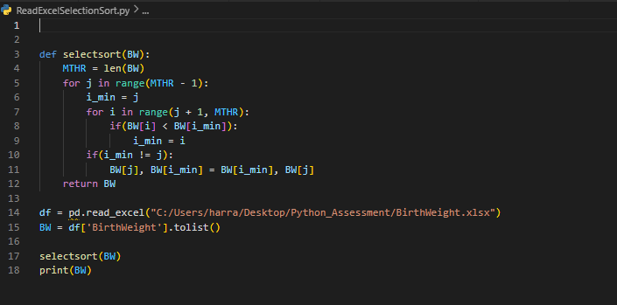 | N/A

